Feedback 1
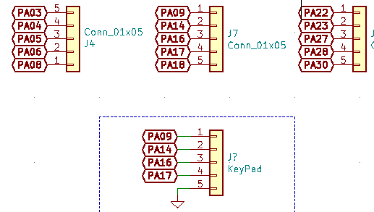
 | Already Used for some other puposes | Available for use? | Pins
 | PA04 | PA00 | D0
 | PA05 | PA01 | D1
 | PA06 | PA02 | D2
 | PA07 | PA03 | D3
 | PA08 | PA10 | D4
 | PA09 | PA11 | D5
 | PA14 | PA15 | D6
 | PA16 | PA24 | D7
 | PA17 | PA25 | C1
 | PA18 | PA27 | C2
 | PA22 | PA28 | C3
 | PA23
If we want a DAC we must go to PA02 | PA30
VREF can be choosen to use internal voltages
For ADC pins we have multiple options even PA08,09 can be used | **PA15 is never used anywhere. Even in pin headers it is missing

